Sheet1
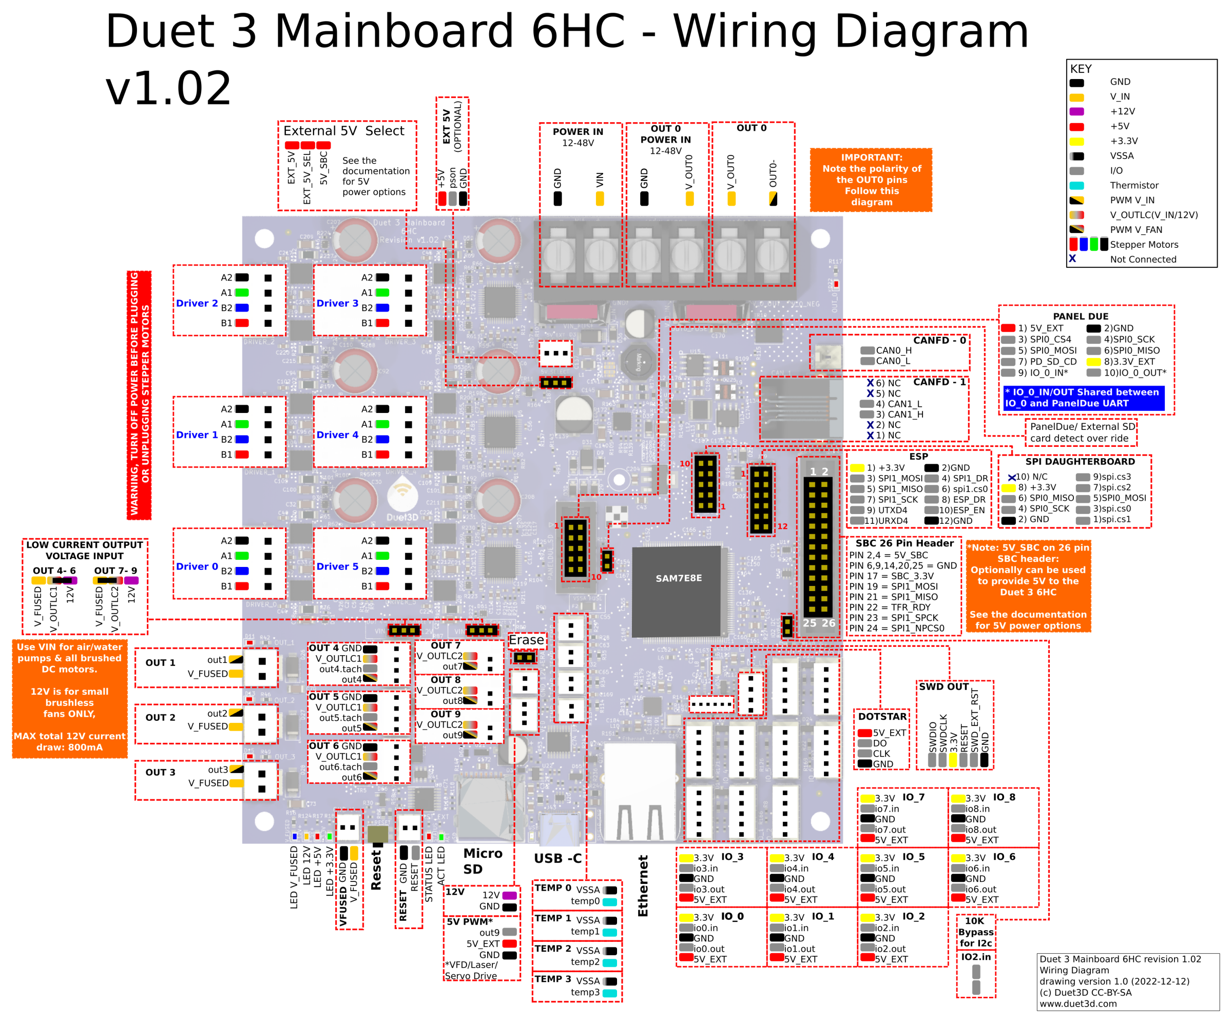
POWER IN | two wires (GND)- (VIN)+ | Power supply 24V
OUT 0 POWER IN | two wires (GND)- (V_OUT0)+ | Power supply 24V
OUT 0 | two wires (V_OUT0) + (OUT0)- | Rotary bed Aluminium heat bed

Driver 0 | four wires A2+A1+B2+B1 | Stepper motor X axis
Driver 1 | four wires A2+A1+B2+B1 | Stepper motor Y axis
Driver 2 | four wires A2+A1+B2+B1 | Stepper motor Z-axis
Driver 3 | four wires A2+A1+B2+B1 | Stepper motor extruder
Driver 4 | four wires A2+A1+B2+B1 | Stepper motor A axis
Driver 5 | four wires A2+A1+B2+B1 | Stepper motor C axis

Temp 0 | two wires (VSSA) + (temp0) | Thermistor Bed
Temp 1 | two wires (VSSA) + (temp1) | thermistor Hotend

IO_1 | three wires (io1.in)signal (GND)- (5V_EXT)+ | endstop X axis
IO_2 | one wire (io.2in) signal wire | endstop Y axis
IO_3 | two wires (io.3in)signal (GND)- | endstop Z axis
IO_4 | three wires (3.3v)+(io4.in)signal (GND)- | endstop A axis

OUT 1 | two wires (out1)+(V_FUSED) | Heat element on Hotend

OUT 4 | two wires (V_OUTLC1)+ (out4)- | 24V electronics cooling fan (side skirts)
OUT 5 | two wires (V_OUTLC1)+ (out5)- | 24V LEFT SIDE Blower radial fan for part cooling
OUT 6 | two wires (V_OUTLC1)+ (out6)- | 24V RIGHT SIDE Blower radial fan for part cooling
OUT 7 | two wires (V_OUTLC2)+ (out7)- | 24V 30x30x10 Hotend fan
OUT 8 | two wires (V_OUTLC2)+ (out8)- | 24V electronics cooling fan (side skirts)
OUT 9 | two wires (V_OUTLC2)+ (out9)- | 24V Led lights

PANEL DUE |  | Touch screen

